Chart2
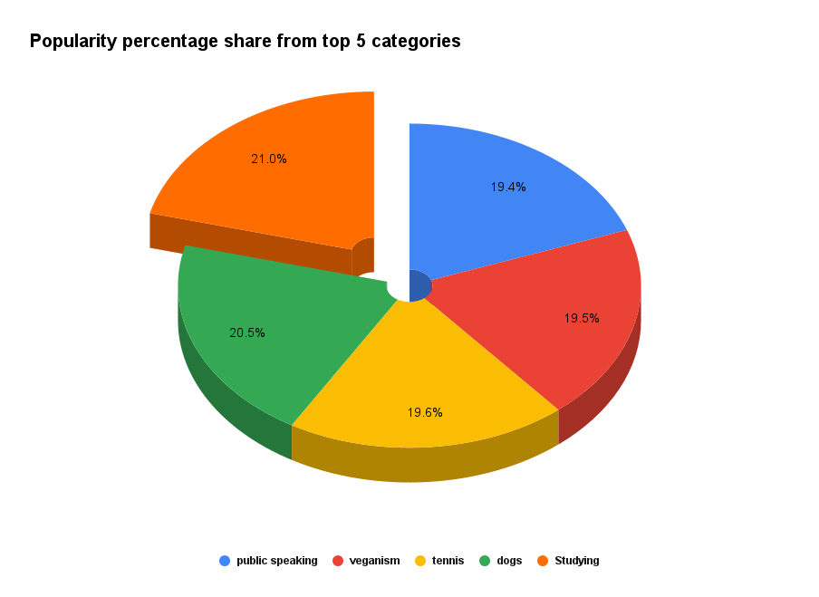

Top 5 Content Categories Viz
Bar Chart Showing Top 5 Content Categories on Social Buzz by Popularity

